ART
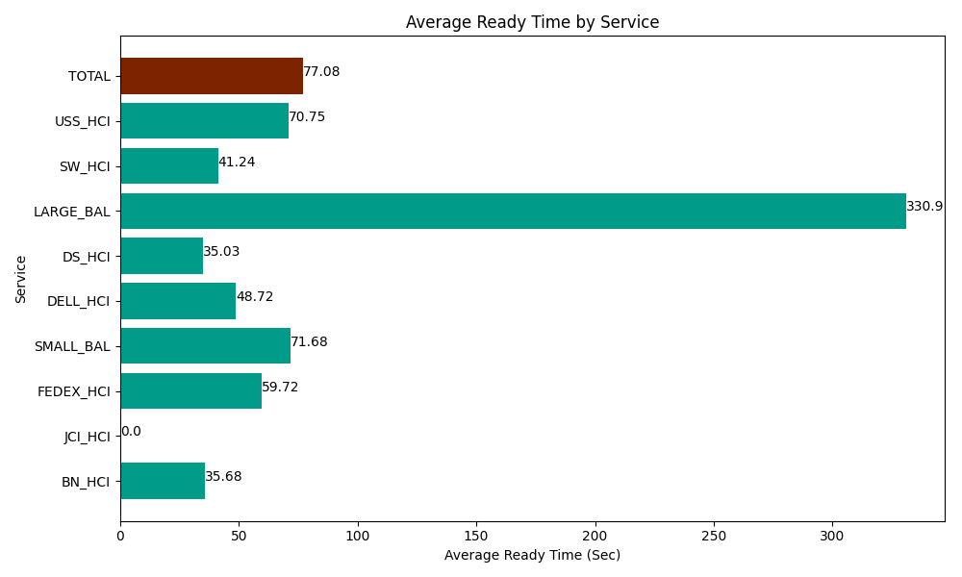
Date | Service | Successful Op Transfer | In Call (Sec) | Ready (Sec) | Wrapup (Sec) | Not Ready (Sec) | Average Ready Time (Sec)
06-07-2024 | BN_HCI | 834 | 39132.000732 | 29758.800659 | 70615.202637 | 31186.801758 | 35.68
06-07-2024 | JCI_HCI | 0 | 0 | 6.0000000894 | 0 | 3.0000000447 | 0
06-07-2024 | FEDEX_HCI | 111 | 7605 | 6628.8002014 | 8246.9998169 | 9592.199707 | 59.72
06-07-2024 | SMALL_BAL | 13 | 1051.8000412 | 931.79998398 | 994.19998169 | 930 | 71.68
06-07-2024 | DELL_HCI | 186 | 21218.999634 | 9061.7999268 | 57197.999268 | 17386.199341 | 48.72
06-07-2024 | DS_HCI | 658 | 45079.200439 | 23047.800293 | 65929.797363 | 67822.199707 | 35.03
06-07-2024 | LARGE_BAL | 2 | 124.19999599 | 661.79998398 | 87.000002861 | 55.800000429 | 330.9
06-07-2024 | SW_HCI | 237 | 9307.800293 | 9773.9996338 | 13324.200439 | 11275.799561 | 41.24
06-07-2024 | USS_HCI | 153 | 17175 | 10823.999634 | 18477.000732 | 12663.000183 | 70.75
 | TOTAL | 2194 | 140694.00114 | 90694.800316 | 234872.40024 | 150915.00026 | 77.08

